Risk Assessment Weightings
DO NOT DELETE OR ALTER THIS WORKSHEET
These values are used to calculate risk severity on the Risk Assessment
Risk Weightings are only to be modified with written acceptance from the Department
Risk Calculation Tables

Table A: Probability of Occurrence |  | Table B: Consequence of Occurrence
Probability of Occurrence | Probability Factor | Consequence of Occurrence | Consequence Factor
Rare | 1 | Insignificant | 1
Unlikely | 2 | Minor | 2
Moderate | 3 | Significant | 3
Likely | 4 | Major | 4
Definite | 5 | Severe | 5

Table C: Category Weighting |  | Table D: Weighted Risk Score
Risk Category | Risk Weighting | Risk Severity | Risk Score
Aesthetic | 0.5 | Low Risk | < 50
Durability | 2.5 | Medium Risk | 50 - 74
Safety | 5.0 | High Risk | ≥ 75
Operations | 1.75

Overall Risk Calculation

1) Each risk is evaluated by multiplying its Probability Factor (Table A) and its Consequence Factor (Table B) together to determine a Risk Score.
2) The Risk Score is multiplied by the Risk Weighting (Table C) based on Risk Category to get its Weighted Risk Score.
3) The maximum Weighted Risk Score for each category is added together to get the Total Weighted Risk Score.
4) The Total Weighted Risk Score is compared against the risk scores (Table D) to get the Overall Risk Severity.

Instructions to Add Additional Risk Issues in Risk Assessment Template

To insert additional lines into the Risk Assessment, select an interior row by left clicking on a row number, selecting copy (screenshot 1), and then select the row beneath that line and click "Insert Copied Cells" (screenshot 2). This ensures that any formulas and data validation are copied to the new row, and that maximum risk fields will include the content in the evaluation.

1. |  |  | 2.
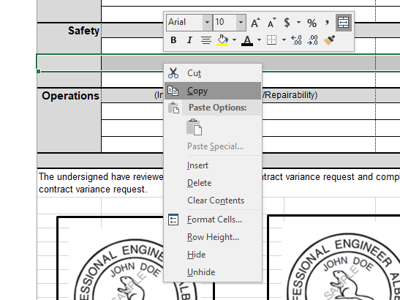
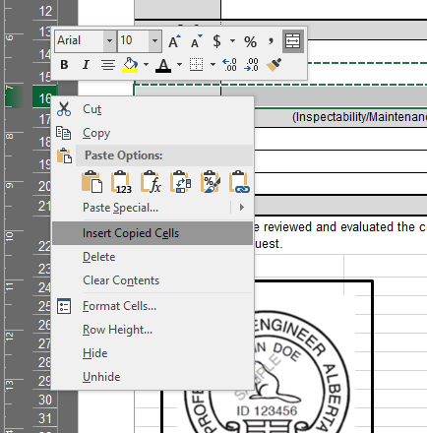

CVR or NCR Risk Assessment
CVR/NCR Number | Revision | Date |  |  |  |  |  |  | Alberta Transportation & Economic Corridors Bridge Construction Administration Change Management
CVR/NCR000 | 0 | YYYY-MM-DD

 | Risk Issue |  | Risk Identified by: | Probability of Occurrence | Consequence of Occurrence | Calculated Risk | Weighted Risk | Required Mitigation
Aesthetic | Maximum Calculated/Weighted Risk |  |  |  |  | 0 | 0

Quality | Maximum Calculated/Weighted Risk |  |  |  |  | 0 | 0
&
Durability

Safety | Maximum Calculated/Weighted Risk |  |  |  |  | 0 | 0

Operations | (Inspectability/Maintenance/Repairability) |  | Maximum Calculated/Weighted Risk |  |  | 0 | 0

Overall Risk: |  |  |  |  |  | High Risk | 0
The undersigned have reviewed and evaluated the contract variance request or non-conformance report, and completed the above risk assessment. This risk assessment represents an evaluation of the post-mitigated risks associated with the proposed contract variance request or non-conformance report, including all required conditions and mitigation measures.

Professional Engineer
Date:
Insert APEGA stamp with member no. & signature here
Professional Engineer
Date:
Insert APEGA stamp with member no. & signature here
Professional Engineer
Date:
Insert APEGA stamp with member no. & signature here
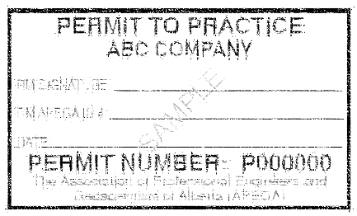
Permit to Practice
Insert APEGA stamp with member no. & signature here

Authentication of this professional work product shall be completed by professional member(s) within the applicable area of expertise. (e.g. hydrotechnical, structural, fabrication, construction, geotechnical, etc.)

