Directions
Entering your information

 | Quick Start Guide

 | This is a guide to demonstrate the basics of entering your data.

 | Enter your data on the Chemistry Detailed tab.

 |  | Column | Value
 |  | Parameter | For each measurement date, please ensure that all parameters are added
 |  | License | Your DRAS license number
 |  | AnythingToReport | Yes/No - If you choose No, you must add a comment in the SubmitterComment field
 |  | MeasurementValue | Measured value for the selected parameter
 |  | Qualifier | Choose the qualifier (e.g. Trace)
 |  | Unit | Units (e.g. mg/L)
 |  | MeasurementDate | Date of measurement - if Annually choose last day of the year
 |  | SubmitterComment | Any comments for the regulator, must enter when Nothing to report

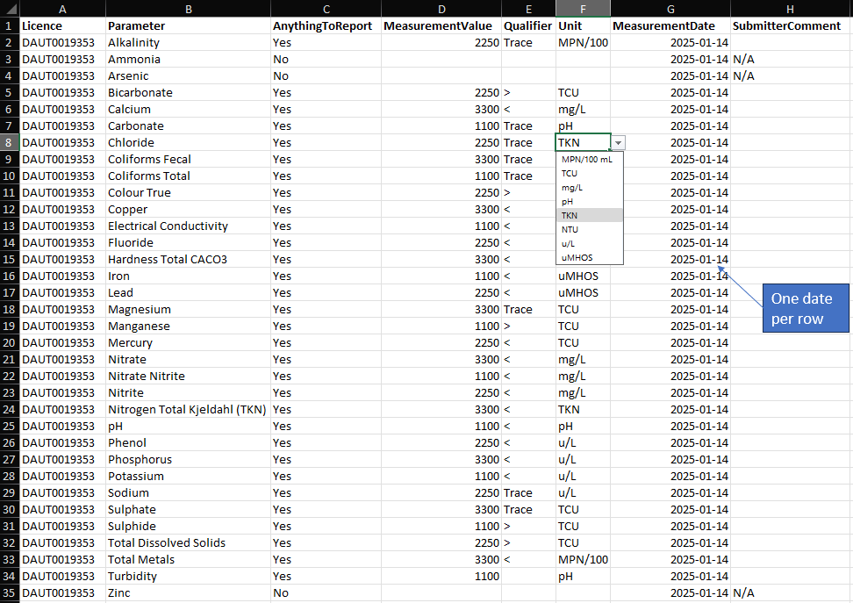

Chemistry Detailed
Licence | Parameter | AnythingToReport | MeasurementValue | Qualifier | Unit | MeasurementDate | SubmitterComment
 | Alkalinity | Yes |  | Trace | mg/L | 2024-12-31
 | Ammonia | Yes |  | Trace | mg/L | 2024-12-31
 | Arsenic | Yes |  | Trace | mg/L | 2024-12-31
One date per row
 | Bicarbonate | Yes |  | > | mg/L | 2024-12-31
 | Calcium | Yes |  | < | mg/L | 2024-12-31
 | Carbonate | Yes |  |  | mg/L | 2024-12-31
 | Chloride | Yes |  |  | mg/L | 2024-12-31
 | Coliforms Fecal | Yes |  |  | mg/L | 2024-12-31
 | Coliforms Total | Yes |  |  | mg/L | 2024-12-31
 | Colour True | Yes |  |  | TCU | 2024-12-31
 | Copper | Yes |  |  | mg/L | 2024-12-31
 | Electrical Conductivity | Yes |  |  | uMHOS | 2024-12-31
 | Fluoride | Yes |  |  | mg/L | 2024-12-31
 | Hardness Total CACO3 | Yes |  |  | mg/L | 2024-12-31
 | Iron | Yes |  |  | mg/L | 2024-12-31
 | Lead | Yes |  |  | mg/L | 2024-12-31
 | Magnesium | Yes |  |  | mg/L | 2024-12-31
 | Manganese | Yes |  |  | mg/L | 2024-12-31
 | Mercury | Yes |  |  | mg/L | 2024-12-31
 | Nitrate | Yes |  |  | mg/L | 2024-12-31
 | Nitrate Nitrite | Yes |  |  | mg/L | 2024-12-31
 | Nitrite | Yes |  |  | mg/L | 2024-12-31
 | Nitrogen Total Kjeldahl (TKN) | Yes |  |  | TKN | 2024-12-31
 | pH | Yes |  |  | pH | 2024-12-31
 | Phenol | Yes |  |  | u/L | 2024-12-31
 | Phosphorus | Yes |  |  | mg/L | 2024-12-31
 | Potassium | Yes |  |  | mg/L | 2024-12-31
 | Sodium | Yes |  |  | mg/L | 2024-12-31
 | Sulphate | Yes |  |  | mg/L | 2024-12-31
 | Sulphide | Yes |  |  | mg/L | 2024-12-31
 | Total Dissolved Solids | Yes |  |  | mg/L | 2024-12-31
 | Total Metals | Yes |  |  | MPN/100 mL | 2024-12-31
 | Turbidity | Yes |  |  | NTU | 2024-12-31
 | Zinc | No |  |  |  | 2024-12-31 | N/A

