Form D.10 Sample
 |  |  |  |  | 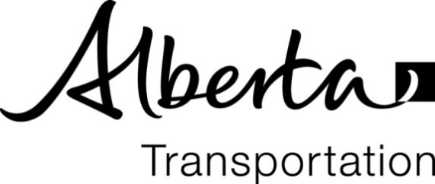
FINAL DETAILS
Summary of Borrow Pits

Region: |  |  |  | WAC/JOB No.:
Project:
Contract No.: |  |  | Contractor:

Enter "27131" to display Station 27+131 |  |  |  |  |  | Waste Topsoil (m3) | Borrow Excavated (m3)
Station |  | Side L/R/C | Distance (m) | Cleared (ha) | Worked (ha)
From | To |  |  |  |  |  |  | Remarks
1000 | 1250 | L | 250 | 0.4 | 0.47 | 35.0 | 786.0 | Land owner choose dug out location
1140 | 1325 | R | 185 | 0.2 | 0.85 | 35.2 | 1,400.0 | Cut from hill side.
 |  |  | 0
 |  |  | 0
 |  |  | 0
 |  |  | 0
 |  |  | 0
 |  |  | 0
 |  |  | 0
 |  |  | 0
 |  |  | 0
 |  |  | 0
 |  |  | 0
 |  |  | 0
 |  |  | 0
 |  |  | 0
 |  |  | 0
 |  |  | 0
 |  |  | 0
 |  |  |  | 0.60 | 1.32 | 70.2 | 2,186.0

Certified Correct by:
 |  | Signature / (name) |  |  |  | (Date)

