NATIVE GRASSLAND
GRT | 1 | Changes in native grassland plant community structure as disturbance levels increase.

Description
1 |  |  | The life form layers closely resemble the control or reference plant community

2 |  |  | Compared to the control or reference plant community, one life form layer is absent or significantly reduced

3 |  |  | Compared to the control or reference plant community, two life form layers are absent or significantly reduced

4 |  |  | Compared to the control or reference plant community, three life form layers are absent or significantly reduced

GRT | 2 | Undesirable plant/weed ratings for native grasslands

VEGETATION / WEED RATINGS
Rating |  | Class |  |  | Description
1 |  | 0 |  |  | None
2 |  | 1 |  |  | Rare
 |  | 2 |  |  | A few sporadically occurring individual weeds and/or undesirable plants
3 |  | 3 |  |  | A single patch of weeds and/or undesirable plants
 |  | 4 |  |  | A single patch plus a few sporadically occurring weeds and/or undesirable plants
4 |  | 5 |  |  | Several sporadically occurring weeds and/or undesirable plants
 |  | 6 |  |  | A single patch plus several sporadically occurring weeds and/or undesirable plants
5 |  | 7 |  |  | A few patches of weeds and/or undesirable plants
 |  | 8 |  |  | A few patches plus several sporadically occurring weeds and/or undesirable plants
6 |  | 9 |  |  | Several well spaced patches of weeds and/or undesirable plants
 |  | 10 |  |  | Continuous uniform occurrences of well spaced weeds and/or undesirable plants
7 |  | 11 |  |  | Continuous occurrence of plants with a few gaps in the distribution of weeds and/or undesirable plants
 |  | 12 |  |  | Continuous dense occurrence of weeds and/or undesirable plants

GRT | 3 | Litter Thresholds: Visual quantitative estimate for the amount of litter using 'hand rake method' in a defined area that compares the estimated amount with the threshold value

Natural Sub-region |  |  |  |  |  | Range Site |  |  | Healthy (lb./ac) |  |  |  | % of Threshold |  |  |  |  |  |  | Undisturbed Assessment:
 |  |  |  |  |  |  |  |  |  |  |  |  | Assessment Criteria |  |  |  |  |  |  |  | Target is to have >65% of the reference plant community value on site; Pass. If less than 65%, site fails Undisturbed Assessment and should be reassessed with the Disturbed Assessment.
 |  |  |  |  |  |  |  |  |  |  |  |  | Undisturbed |  | Disturbed
 |  |  |  |  |  |  |  |  | Average |  |  |  | 65% |  | 15%
Aspen Parkland (Black) |  |  |  |  |  | Loamy |  |  | 1500 |  |  |  | 975 |  | 225
 |  |  |  |  |  | Sandy |  |  | 1100 |  |  |  | 715 |  | 165
 |  |  |  |  |  | Sands |  |  | 800 |  |  |  | 520 |  | 120
 |  |  |  |  |  | Choppy Sandhills |  |  | 400 |  |  |  | 260 |  | 60 |  |  |  |  | Disturbed Assessment:
Foothills Fescue, Foothills Parkland and Montane (Black) |  |  |  |  |  | Thick Black Loamy |  |  | 1400 |  |  |  | 910 |  | 210 |  |  |  |  |  | Target is to have >15% of the reference plant community value on site; Pass. If less than 15%, site fails and requires more time.
 |  |  |  |  |  | Orthic Black Loamy |  |  | 1200 |  |  |  | 780 |  | 180
 |  |  |  |  |  | Shallow to Gravel and Limy |  |  | 1000 |  |  |  | 650 |  | 150
 |  |  |  |  |  | Thin Breaks |  |  | 500 |  |  |  | 325 |  | 75
Mixedgrass (Dark Brown) |  |  |  |  |  | Loamy (>1100 m elevation) |  |  | 900 |  |  |  | 585 |  | 135
 |  |  |  |  |  | Loamy (<1100 m elevation) |  |  | 600 |  |  |  | 390 |  | 90 |  |  |  |  | Undisturbed Area that is not fenced:
 |  |  |  |  |  | Thin Breaks |  |  | 300 |  |  |  | 195 |  | 45 |  |  |  |  |  | Note: If the undisturbed area is not fenced and grazed in conjunction with the adjoining control, the undisturbed litter quantity can be compared to 65% of the control. This exception does not apply to the disturbed area litter quantity comparison.
Dry Mixedgrass (Brown) |  |  |  |  |  | Loamy |  |  | 400 |  |  |  | 260 |  | 60
 |  |  |  |  |  | Blowout |  |  | 250 |  |  |  | 162.5 |  | 37.5
 |  |  |  |  |  | Thin Breaks |  |  | 150 |  |  |  | 97.5 |  | 22.5
Northern Fescue |  |  |  |  |  | Loamy |  |  | 1000 |  |  |  | 650 |  | 150
 |  |  |  |  |  | Sandy |  |  | 715 |  |  |  | 464.75 |  | 107.25
 |  |  |  |  |  | Sands |  |  | 520 |  |  |  | 338 |  | 78
 |  |  |  |  |  | Choppy Sandhills |  |  | 260 |  |  |  | 169 |  | 39
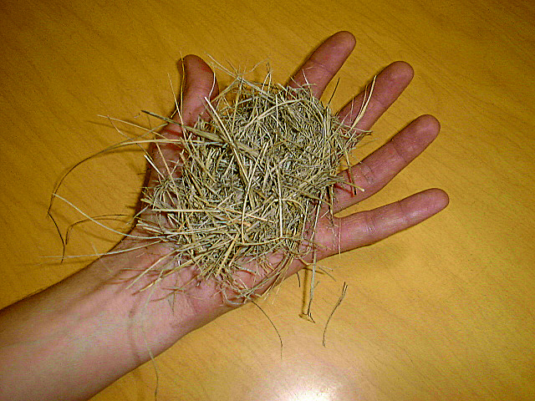
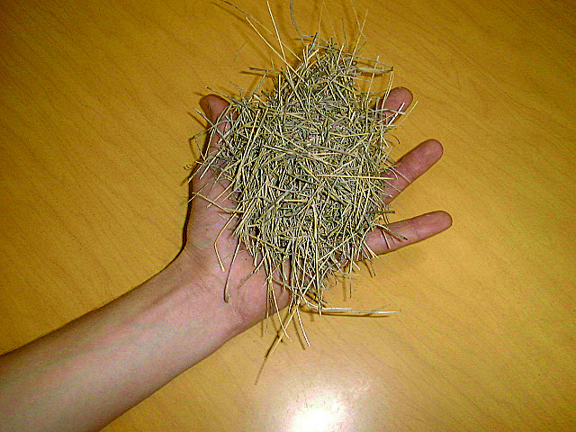
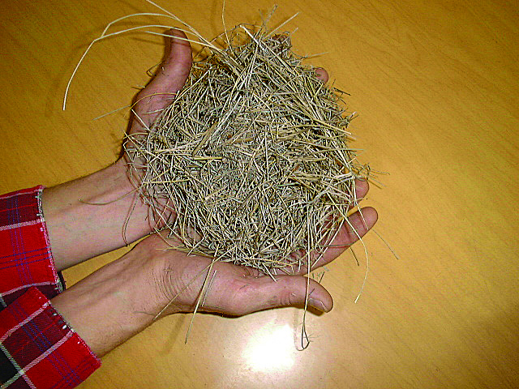
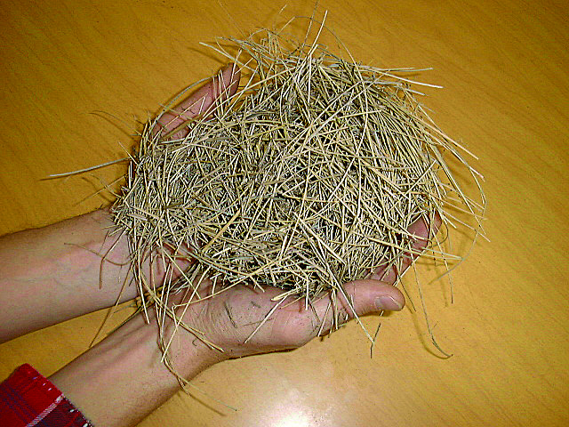

 |  |  |  | 160 lb |  |  |  |  |  | 390 lb |  |  |  |  |  | 650 lb |  |  |  |  |  |  | 910 lb
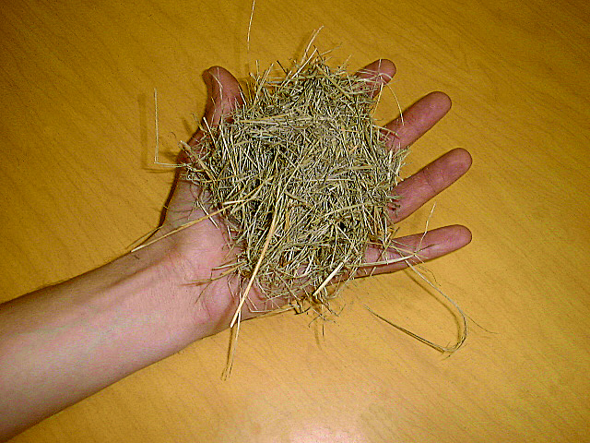
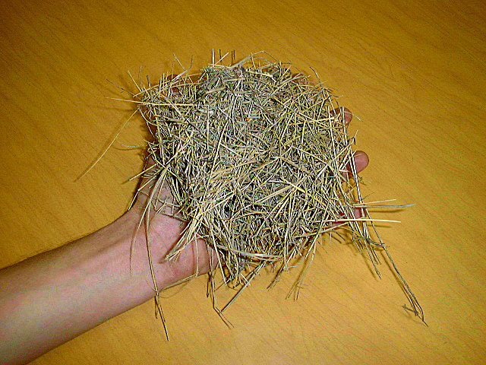
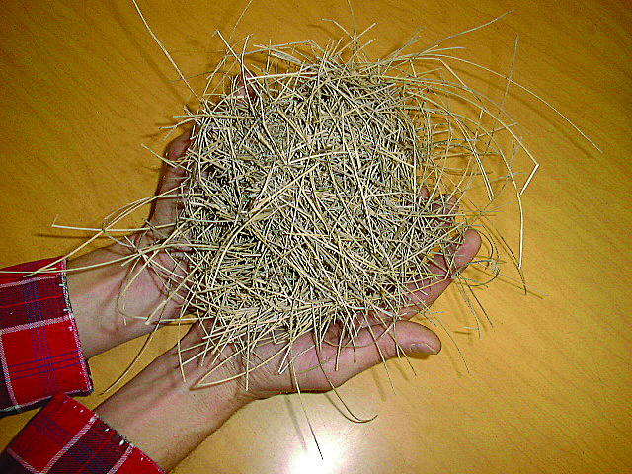

 |  |  |  | 260 lb |  |  |  |  |  |  | 585 lb |  |  |  |  |  | 780 lb
GRT | 4 | Ratings for Soil color, Rooting Pattern, Coarse Fragment Content, Surface Stoniness, Texture, and Consistence (Level 1) Soil Parameters for Native Grassland soils

Rating |  | Soil Color |  |  |  |  | Rooting Pattern | Coarse Fragment Content |  | Surface Stoniness (Stoniness Class) |  |  |  | TEXTURE |  |  |  |  |  | Topsoil (TS) |  |  |  |  |  | Subsoil (SS)

 |  |  |  |  |  |  |  |  |  |  |  |  |  |  |  |  |  |  |  | Consistence |  |  |  |  |  | Consistence
 |  |  |  |  |  |  |  | (% Volume) |  |  |  |  |  | Clay (C ) |  |  |  | Sandy (S) |  | Moist |  |  |  | Dry |  | Moist |  | Dry
1 |  | Black |  |  |  |  | No restriction, inped | <3 |  | S0 No stones on the surface |  |  |  | Loam, Silt Loam, Silt |  |  |  |  |  | Very friable - Friable |  |  |  | Soft - Slightly Hard |  | Loose, Very friable, Friable, Firm |  | Loose, Soft, Slightly hard, Hard

 |  |  |  |  |  |  |  |  |  | S1 Occasional stones on surface; typically 8-25 m apart.

2 |  | Dark Brown or Dark Gray |  |  |  |  | Slight restriction, mostly inped roots. | 3 to 20 |  | S2 Numerous stones on surface; typically 1-8 m apart. |  |  |  | Sandy Clay Loam, Clay Loam, Silty Clay Loam |  |  |  | Sandy Loam |  | Loose - Firm |  |  |  | Loose - Hard |  | Very firm |  | Very hard

3 |  | Brown, Gray |  |  |  |  | Moderate restriction, mostly exped roots. | 20 to 50 |  | S3 Many stones; serious impediment to surface activities (machinery, vehicles); typically 0.5-1 m apart. |  |  |  | Clay, Silty Clay, Sandy Clay |  |  |  | Loamy Sand |  | Very firm |  |  |  | Very hard |  | Extremely firm |  | Extremely hard

4 |  | Light Gray |  |  |  |  | Severe restriction, root mats | >50 |  | S4 Very many stones on surface; considerable clearing required before any surface activities possible; typically <0.5 m apart |  |  |  | Heavy Clay, Siltstone |  |  |  | Sand, Gravel, Unconsolidated Bedrock |  | Extremely firm |  |  |  | Extremely hard |  | NA |  | NA

 |  |  |  |  |  |  |  |  |  | S5 Excessively stony on the surface; typically <0.1 m apart.

GRT | 5 | Soil structure ratings for soils under native grassland

Kind |  |  |  |  |  |  |  |  |  |  |  | Class |  |  |  |  |  |  |  |  |  | Size (cm) |  |  | Topsoil |  | Subsoil
Single grain ¾ loose, incoherent mass of individual particles as in sands. |  |  |  |  |  |  |  |  |  |  |  | - |  |  |  |  |  |  | sg. |  |  | <0.2 |  |  | 2 |  | 1
Amorphous (massive) ¾ a coherent mass showing no evidence of any distinct arrangement of soil particles. |  |  |  |  |  |  |  |  |  |  |  | Breaking to fine fragments |  |  |  |  |  |  | f. frag. |  |  | <2 |  |  | 2 |  | 1
 |  |  |  |  |  |  |  |  |  |  |  | Breaking to medium fragments |  |  |  |  |  |  | m. frag. |  |  | 2-5 |  |  | 3 |  | 2
 |  |  |  |  |  |  |  |  |  |  |  | Breaking to coarse fragments |  |  |  |  |  |  | c. frag. |  |  | 5-10 |  |  | 4 |  | 3
 |  |  |  |  |  |  |  |  |  |  |  | Breaking to very coarse fragments |  |  |  |  |  |  | vc. frag |  |  | >10 |  |  | 4 |  | 4
Blocky (angular blocky) ¾ faces rectangular and flattened less than 5 sided, vertices sharply angular. |  |  |  |  |  |  |  |  |  |  |  | Fine blocky |  |  |  |  |  |  | f. bk. |  |  | <1 |  |  | 1 |  | 1
 |  |  |  |  |  |  |  |  |  |  |  | Medium blocky |  |  |  |  |  |  | m. bk. |  |  | 1-2 |  |  | 2 |  | 1
 |  |  |  |  |  |  |  |  |  |  |  | Coarse blocky |  |  |  |  |  |  | c. bk. |  |  | 2-5 |  |  | 3 |  | 2
 |  |  |  |  |  |  |  |  |  |  |  | Very coarse blocky |  |  |  |  |  |  | vc. bk. |  |  | >5 |  |  | 4 |  | 3
Subangular blocky ¾ faces subrectangular more than 5 sided, vertices mostly oblique, or subrounded. |  |  |  |  |  |  |  |  |  |  |  | Fine subangular blocky |  |  |  |  |  |  | f. sbk. |  |  | <1 |  |  | 1 |  | 1
 |  |  |  |  |  |  |  |  |  |  |  | Medium subangular blocky |  |  |  |  |  |  | m. sbk |  |  | 1-2 |  |  | 2 |  | 1
 |  |  |  |  |  |  |  |  |  |  |  | Coarse subangular blocky |  |  |  |  |  |  | c. sbk. |  |  | 2-5 |  |  | 3 |  | 2
 |  |  |  |  |  |  |  |  |  |  |  | Very coarse subangular blocky |  |  |  |  |  |  | vc. sbk. |  |  | >5 |  |  | 4 |  | 3
Granular ¾ spheroidal, characterized by rounded vertices. |  |  |  |  |  |  |  |  |  |  |  | Fine granular |  |  |  |  |  |  | f. gr |  |  | <0.2 |  |  | 1 |  | 1
 |  |  |  |  |  |  |  |  |  |  |  | Medium granular |  |  |  |  |  |  | m. gr |  |  | 0.2-0.5 |  |  | 1 |  | 1
 |  |  |  |  |  |  |  |  |  |  |  | Coarse granular |  |  |  |  |  |  | c. gr. |  |  | 0.5-1 |  |  | 2 |  | 2
Platy ¾ horizontal planes more or less developed. |  |  |  |  |  |  |  |  |  |  |  | Fine platy |  |  |  |  |  |  | f. pl. |  |  | <0.2 |  |  | 1 |  | 1
 |  |  |  |  |  |  |  |  |  |  |  | Medium platy |  |  |  |  |  |  | m.pl. |  |  | 0.2-0.5 |  |  | 2 |  | 2
 |  |  |  |  |  |  |  |  |  |  |  | Coarse platy |  |  |  |  |  |  | c. pl. |  |  | 0.5-1 |  |  | 3 |  | 3
Prismatic ¾ vertical faces well defined and edges sharp. |  |  |  |  |  |  |  |  |  |  |  | Fine prismatic |  |  |  |  |  |  | f. pr. |  |  | <2 |  |  | 2 |  | 1
 |  |  |  |  |  |  |  |  |  |  |  | Medium prismatic |  |  |  |  |  |  | m. pr. |  |  | 2-5 |  |  | 3 |  | 2
 |  |  |  |  |  |  |  |  |  |  |  | Coarse prismatic |  |  |  |  |  |  | c. pr. |  |  | 5-10 |  |  | 4 |  | 3
 |  |  |  |  |  |  |  |  |  |  |  | Very coarse prismatic |  |  |  |  |  |  | vc. pr. |  |  | >10 |  |  | 4 |  | 4
Columnar ¾ vertical edges near top of columns not sharp. Columns may be flat-topped, rounded-topped, or irregular. |  |  |  |  |  |  |  |  |  |  |  | Fine columnar |  |  |  |  |  |  | f. cpr. |  |  | <2 |  |  | 3 |  | 2
 |  |  |  |  |  |  |  |  |  |  |  | Medium columnar |  |  |  |  |  |  | m. cpr. |  |  | 2-5 |  |  | 4 |  | 3
 |  |  |  |  |  |  |  |  |  |  |  | Coarse columnar |  |  |  |  |  |  | c. cpr. |  |  | 5-10 |  |  | 4 |  | 4
 |  |  |  |  |  |  |  |  |  |  |  | Very coarse columnar |  |  |  |  |  |  | vc. cpr. |  |  | >10 |  |  | 4 |  | 4
Compacted – relatively dense soil layers/lumps, more or less defined. These layers may break with vertices being sharply angular. Size reflects thickness of layers or diameter of lumps. |  |  |  |  |  |  |  |  |  |  |  | Fine compacted |  |  |  |  |  |  | f. comp. |  |  | <2 |  |  | 3 |  | 2
 |  |  |  |  |  |  |  |  |  |  |  | Medium compacted |  |  |  |  |  |  | m. comp. |  |  | 2-5 |  |  | 4 |  | 3
 |  |  |  |  |  |  |  |  |  |  |  | Coarse compacted |  |  |  |  |  |  | c. comp. |  |  | 5-10 |  |  | 4 |  | 4
 |  |  |  |  |  |  |  |  |  |  |  | Very coarse compacted |  |  |  |  |  |  | vc. Comp. |  |  | >10 |  |  | 4 |  | 4

GRT | 6 | Level 2 Soil Parameters for native grassland soils. Values are the difference between the average control value and specific assessment point site being evaluated (Lease - Control).
...

