Home
Appendix 1

 |  | Landbase Designation Code and Mean Annual Increment Standards Database - effective 1 May, 2016

 | Description

 | This database contains both the Broad Cover Group (BCG) and Regenerated Yield Strata (RYS) Landbase Designation Code and MAI Standards. These standards do not apply to CSR/NSR D Standard Performance surveys. The purpose of this searchable database is to provide all active (highlighted in green) and historic landbase designation codes and MAI standards. All C and D MAI Standards are to the 15/10/30/tree length Utilization Standard. Utilization conversion factors are based on the Utilization Standard Conversion Web Tool.

 | Inquiries should be directed to:
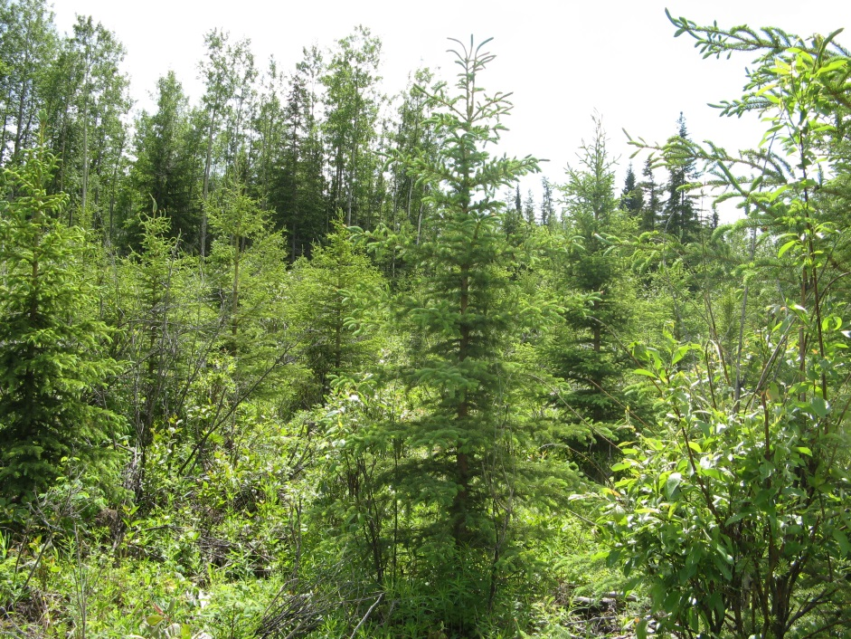
 | Alberta Agriculture and Forestry
 | Forestry Division
 | Forest Management Branch
 | Forest Program Management Section
 | 7th Floor, Great West Life Building
 | 9920 108 Street
 | Edmonton, Alberta
 |  |  | Photograph courtesy of Lee Martens
 | Tel: 780.427.8474
 | Website: www.forestry.alberta.ca

About
Reforestation Standard of Alberta
Appendix 1

 |  | Landbase Designation Code and Mean Annual Increment Standards

 | About
Appendix 1 is the record of Landbase Designation Codes and Mean Annual Increment (MAI) standards for all forest management units with forest management objectives in Alberta. The Alberta Regeneration Information System (ARIS) links to this database to assign MAI based on the forest management unit and landbase designation code. It contains both active (in green) and historic codes, Broad Cover Group and Regenerated Yield Strata, and associated converted (based on utilization standards and Natural region) MAI Standards.
The database contains the following worksheets:
Home: description of the database and links to other worksheets in the database;
Update History: database versioning, detailed description of changes, and database version approval dates;
Landbase & MAI – FMA: searchable database of FMA numbers, Forest Management Agreement (FMA) holders, Forest Management Unit (FMU), Landbase Designation Code, Code description, Code start date, Code end date, Stratum Declaration Code, Base 10 Stratum, Primary species of management, Forest Management Plan (FMP) C Utilization Standard, FMP C MAI, FMP D Utilization Standard, FMP D MAI, Culmination age (of the primary species of management), Conversion Natural Region, Conversion Stratum, Conversion factor C, Conversion factor D, Standard C MAI, Standard D MAI.
Landbase & MAI – Non-FMA FMU: searchable database of FMU, entity that completed the FMP, FMU, Landbase Designation Code, Code description, Code start date, Code end date, Stratum Declaration Code, Base 10 Stratum, Primary species of management, FMP C Utilization Standard, FMP C MAI, FMP D Utilization Standard, FMP D MAI, Culmination age (of the primary species of management), Conversion Natural Region, Conversion Stratum, Conversion factor C, Conversion factor D, Standard C MAI, Standard D MAI.
Natural Region – FMA: Gross areas (ha) of each FMA with respect to Boreal and Foothills boundaries (Natural Region) established for 2010 Timber Damage Assessment valuation; Natural Region based on highest percent area (Boreal or Foothills) within FMA.
Natural Region – Non-FMA FMU: Gross areas (ha) of each non-FMA FMU with respect to Boreal and Foothills boundaries (Natural Region) established for 2010 Timber Damage Assessment valuation; Natural Region based on highest percent area (Boreal or Foothills) within non-FMA FMU.
The Landbase Designation Code and Mean Annual Increment Standards database is a searchable database. The built-in filters can be used to filter database data into a user defined table.
Filtering controls are already added to the Landbase & MAI – FMA and Landbase & MAI – Non-FMA FMU database headers.
Click the arrow in the database header of the column the user wants to filter. In the example below the database header is Forest Managemetn Agreement holder(s).
In the list of text or numbers, uncheck the (Select All) box at the
Select the parameter in the list upon which to filter. In the examples below, the filter is applied to ANC Timber Ltd. The result is landbase designation code and MAI standards for ANC Timber Ltd. only.

